1. Title Page
Instacart Grocery Basket Analysis

Project Name: Instacart Grocery Basket Analysis
Date: 01/02/2021
Analyst Name: Brittany Anderson-Freese

Contents:
Population Flow
Consistency checks
Wrangling steps
Column derivations
Visualizations
Recommendations

2. Population Flow
Title page

Population flow

Exclusion flag
Condition: max_order < 5
Obervations to be removed: Remove any customers who are considered "Low Activity" - less than 5 max orders
Final total count of df_active_customer: 1440295

orders_products_combined
all_data_merged
final_data_jan2

Total: 32404859
Total: 32404859
Total: 32404859

1.) The grey boxes in the first row of the population flow represent the original data sets as they were when you downloaded them. In the Total fields you need to add the count of the rows when you imported the data set into Jupyter.
2.) The second row of boxes (coloured) represents the data sets after you manipulated them, e.g., removed missing values and duplicates. In the Total fields you need to add the count of the rows after conducting these operations. This offers a visual oveview of how the data flows throughout the data consistency checks.
3.) The third row, where also the arrows are coloured, represents the merges you performed between the datasets. In the Total fields you need to add the count of the rows in the merged datasets, so that you end up with the final dataset (in the red box). Keep in mind the final dataset should be without exclusions (based on the exclusion flag).

3. Consistency checks
 |  |  |  | Title page
Consistency checks

Dataset | Missing values | Missing values treatment | Duplicates
orders | no missing values |  | no duplicates
products | product_name | excluded null values | dropped 5 duplicates
orders_products_prior | no missing values |  | no duplicates
customers | no missing values |  | no duplicates

4. Wrangling steps
 |  |  |  | Title page
Wrangling steps

Columns dropped | Columns renamed | Columns' type changed | Comment/Reason
eval_set |  |  | irrelevant to analysis as it has just one value, 'prior', which means prior released data set by Instacart
 | order_dow : orders_day_of_week |  | renamed for meaning clarity
 |  | order_id | changed to string type as it does not represent real numeric values
 |  | user_id | changed to string type as it does not represent real numeric values
 |  | order_number | changed to string type as it does not represent real numeric values
 | n_dependants : no_of_dependents |  | renamed for meaning clarity
First Name |  |  | dropped for privacy reasons
Surnam |  |  | dropped for privacy reasons
 | STATE : State |  | renamed for consistency

5. Column derivations
 |  |  |  | Title page

Column derivations and aggregations

Dataset | New column | Column/s it was derived from | Conditions
orders_products_combined | spending_flag | max_price, prices, user_id | max_price more than 10 (high spender); less than 10 (low spender)
orders_products_combined | order_freq_flag | days_since_prior_order, med_frequency, user_id | med_frequency less than 10 (non-frequent); more than 20 (frequent); between 10-20 (regular)
orders_products_combined | loyalty_flag | order_number; max_order, user_id | max_order more than 40 (loyal customer); less than 10 (new customer); less than 40, more than 10 (regular customer)
orders_products_combined | busiest_period_of_day | order_hour_of_day | >= 16 (most orders); <= 6 (least orders); others (average orders)
orders_products_combined | busiest_days | orders_day_of_week | 0 = Saturday (busiest day); 4 = Wednesday (least busy); All others (regularly busy)
orders_products_combined | price_range_loc | prices | Low (less than $5), Mid (between $5-$15), High Range (more than $15)
final_data_jan2 | Region | State | States assigned to regions: Midwest, Northeast, West, South

6. Visualizations
 | Title page

Visualisations

Below are visualizations of the data that answer key questions.

Busiest Days of Week
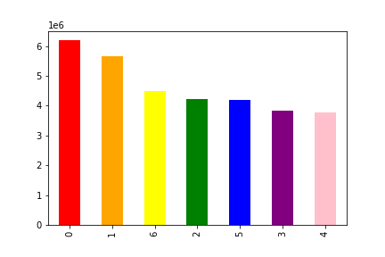
FIGURE A:
Busiest Days of Week - Bar Chart
0 = Saturday
1 = Sunday
2 = Monday
3 = Tuesday
4 = Wednesday
5 = Thursday
6 = Friday
This chart shows that Saturday and Sunday are the busiest days of the week for Instacart orders. The least busiest days are Tuesday and Wednesday.

Busiest Hours of the Day
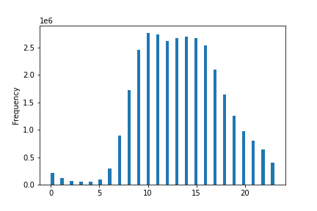
FIGURE B
Busiest Hours of the Day
0 = 12:00am 13 = 1:00pm
1 = 1:00am 14 = 2:00pm
2 = 2:00am 15 = 3:00pm
3 = 3:00am 16 = 4:00pm
4 = 4:00am 17 = 5:00pm
5 = 5:00am 18 = 6:00pm
6 = 6:00am 19 = 7:00pm
7 = 7:00am 20 = 8:00pm
8 = 8:00am 21 = 9:00pm
9 = 9:00am 22 = 10:00pm
10 = 10:00am 23 = 11:00pm
11 = 11:00am 24 = 12:00am
12 = 12:00pm
This histogram shows that the busiest time of day is 10:00am. The busiest time range of the day is between 10:00am and 3:00pm. The least busiest times of day are between 12:00am-6:00am.

Hours of Day with Highest Expenditures
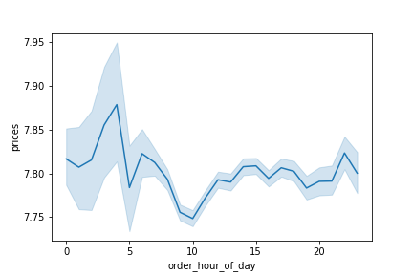
FIGURE C
Busiest Hours of the Day
0 = 12:00am 13 = 1:00pm
1 = 1:00am 14 = 2:00pm
2 = 2:00am 15 = 3:00pm
3 = 3:00am 16 = 4:00pm
4 = 4:00am 17 = 5:00pm
5 = 5:00am 18 = 6:00pm
6 = 6:00am 19 = 7:00pm
7 = 7:00am 20 = 8:00pm
8 = 8:00am 21 = 9:00pm
9 = 9:00am 22 = 10:00pm
10 = 10:00am 23 = 11:00pm
11 = 11:00am 24 = 12:00am
12 = 12:00pm
This line graph shows that the most money is spent around 3:00am-4:00am.

Price Range Groupings

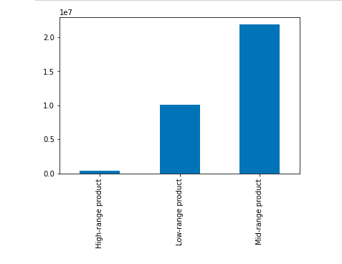
FIGURE D
price_range_loc column indicates the following:
High-range product = More than $15
Mid-range product = Between $5-$15
Low-range product = Less than $5
Mid-range products are the highest amount of products offered by Instacart.

Most Popular Departments
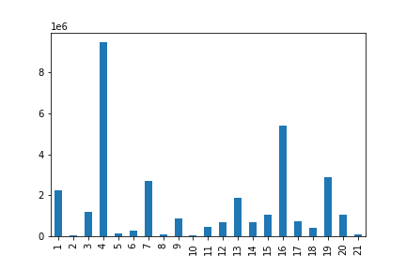

FIGURE E
Key:
1 - frozen
2 - other
3 - bakery
4 - produce
5 - alcohol
6 - international
7 - beverages
8 - pets
9 - dry goods pasta
10 - bulk
11 - personal care
12 - meat/seafood
13 - pantry
14 - breakfast
15 - canned goods
16 - dairy/eggs
17 - household
18 - babies
19 - snacks
20 - deli
21 - missing

FIGURE E: Produce is the most popular department, followed by dairy/eggs.

Brand Loyalty
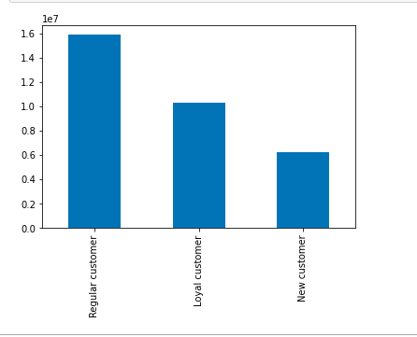
FIGURE F
Loyal customers have made more than 40 orders.
Regular customers have made between 10-40 orders.
New customers have made less than 10 orders.
Instacart has more regular customers than loyal or new customers. Most customers have made between 10 and 40 orders.

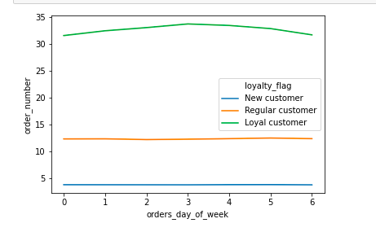

FIGURE G
Spending behavior based on the day of the week does not appear to be much different based on customer loyalty.

Regional Spending Habits
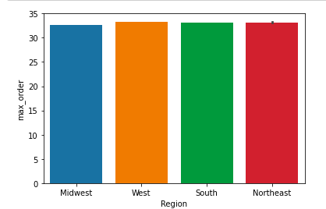
FIGURE H
There is not much difference in orders between regions.

Age/Spending Correlation

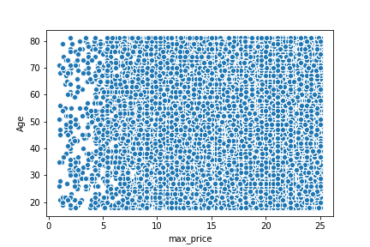
FIGURE I
There does not appear to be a correlation between age and spending habits.

Customer Profiles/Behaviors

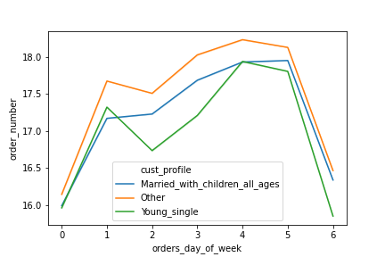

FIGURE J
Young_single = Single adults 30 years old or younger
Married_with_children_all_ages = Married adults
There does not seem to be a large variance between single customers and married customers according to the day of the week, although there is a slight difference on Mondays, which single adults order less on in comparison to married adults.

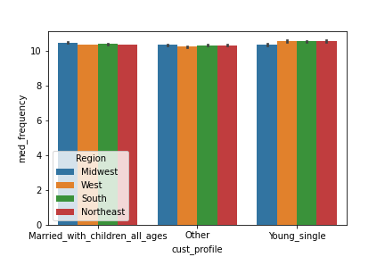
FIGURE K
Regionally, there is no difference between families and single customers based on median frequency of orders.

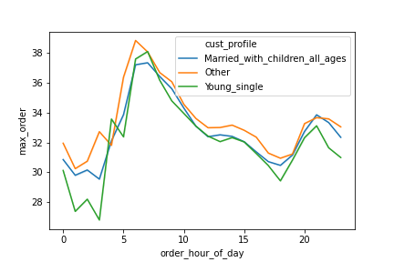

FIGURE L
There does not appear to be much variance between families and single customers when it comes to hour of day of orders.

7. Recommendations
 | Title page

Recommendations

Answering Key Questions

Question
The sales team needs to know what the busiest days of the week and hours of the day
are (i.e., the days and times with the most orders) in order to schedule ads at times
when there are fewer orders.

Answer - Reference Figures A, B, and C in Tab 6. Visualizations
Based on the data, the best times to schedule ads would be on Tuesdays and Wednesdays between 12am and 6am
as these are the times with the least amount of orders.

Question
They also want to know whether there are particular times of the day when people spend
the most money, as this might inform the type of products they advertise at these times.

Answer - Reference Figures B and C in Tab 6. Visualizations
The data shows that the busiest time of day is 10:00am. The busiest time range of the day is between 10:00am and 3:00pm.

Question
Instacart has a lot of products with different price tags. Marketing and sales want to use
simpler price range groupings to help direct their efforts.

Answer - Reference Figure D in Tab 6. Visualizations
The products were grouped into three different price labels: High-range, mid-range, and low-range products. High-range products are above $15; mid-range products
are between $5-$15; low-range products are under $5.

Question
Are there certain types of products that are more popular than others? The marketing
and sales teams want to know which departments have the highest frequency of product
orders.

Answer - Reference Figure E in Tab 6. Visualizations
Produce is the most popular department, followed by dairy/eggs.

Question
The marketing and sales teams are particularly interested in the different types of
customers in their system and how their ordering behaviors differ.
What’s the distribution among users in regards to their brand loyalty (i.e., how
often do they return to Instacart)?

Answer - Reference Figure F in Tab 6. Visualizations
Loyal customers have made more than 40 orders.
Regular customers have made between 10-40 orders.
New customers have made less than 10 orders.
Instacart has more regular customers than loyal or new customers. Most customers have made between 10 and 40 orders.

Question
Are there differences in ordering habits based on a customer’s loyalty status?

Answer - Reference Figure G in Tab 6. Visualizations
Spending behavior based on the day of the week does not appear to be much different based on customer loyalty.

Question
Is there a connection between age and family status in terms of ordering habits?

Answer - Reference Figure I in Tab 6. Visualizations
Based on the data, there does not appear to be a correlation between age and spending habits.

Question
What differences can you find in the ordering habits of different customer profiles?

Answer - Reference Figures J, K, and L in Tab 6. Visualizations
There does not seem to be a large variance between single customers and married customers
according to the day of the week, although there is a slight difference on Mondays, which single adults
order less on in comparison to married adults.

Regionally, there is no difference between families and single customers based on median frequency of orders.

There does not appear to be much variance between families and single customers when it comes to hour of day of orders.

